Application_Screen
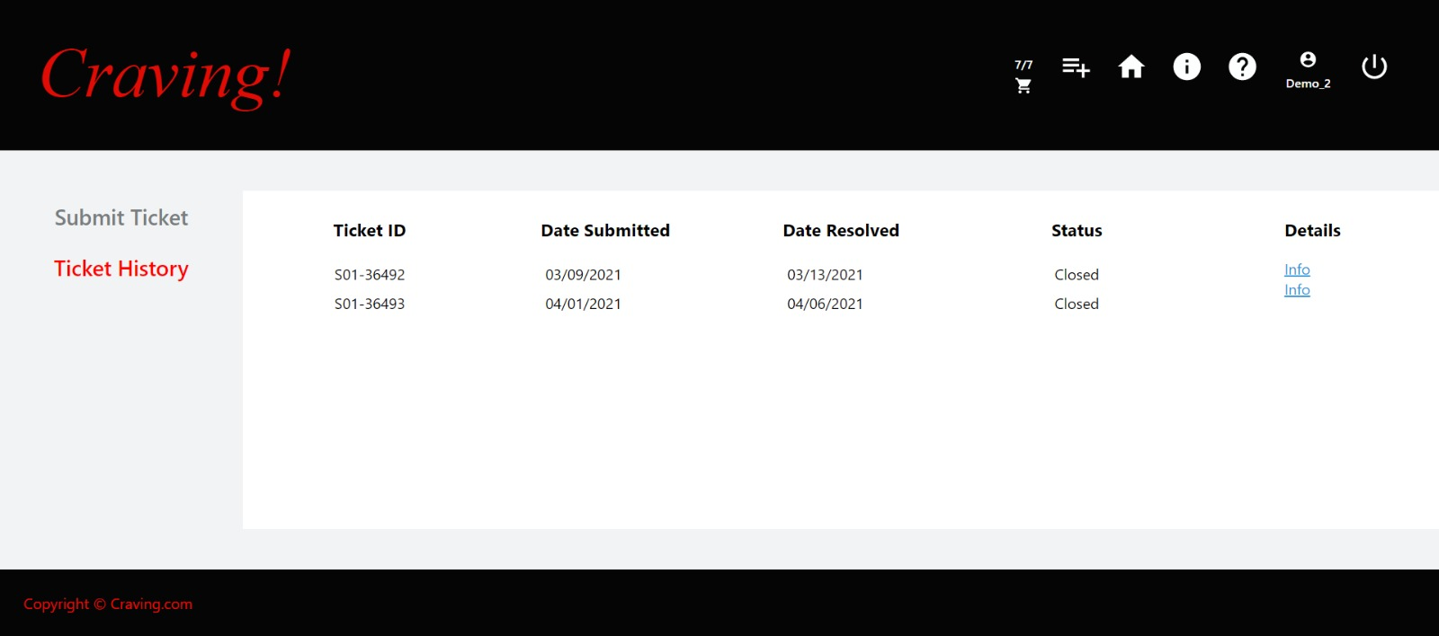

Test Case 5
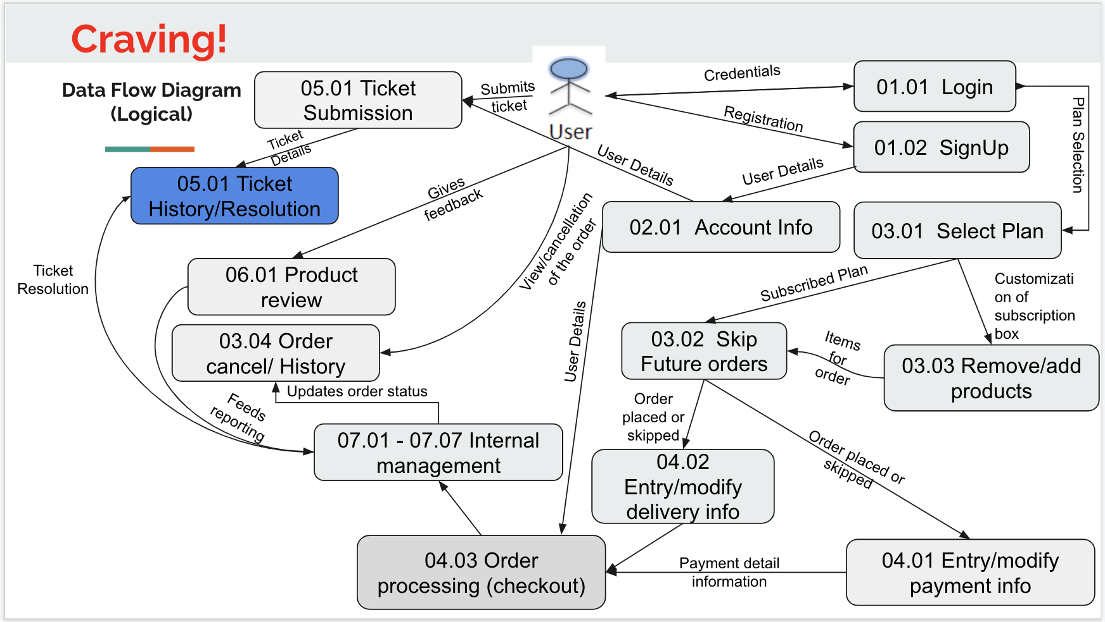
TC Title: | TC5. Ticket history/resolution - DF-In - Data Flow In

TC Objective: | This test case validates the data flows in to the Ticket history/resolution feature from the Ticket submission feature. To verify the tester should first submit the ticket and then check if the same details appear on the Tickets history /resolution page.

TC Description
 | Step | Step Description | Expected Results
 | 1 | To test the tester should first submit the ticket on the ticket submission page and then proceed to the tickets history/resolution page to ensure the details submitted are rendered correctly on the page | Same data that was entered on the ticket submission page should appear on the ticket/history resolution page.

